Title


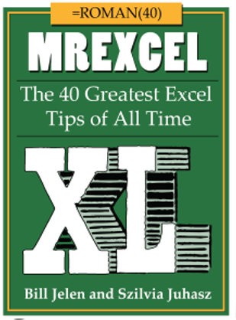
 | Episode # 2004
#16e Ctrl+T
Running Totals
(Pages 54-57)

Image credit: skeeze / pixabay

Problems
"One of the useful features Tables offers is automatic formatting and formula maintenance as rows are
added, removed, sorted, and filtered."
-Zack Barresse, co-author of
Excel Tables: A Complete Guide for Creating, Using and Automating Lists and Tables by Zack Barresse
and Kevin Jones.
Item | Qty | Total | Formula
A104 | 7 | 7 | =SUM(L$2:L2)
A101 | 8 | 15 | =SUM(L$2:L3)
A101 | 2 | 17 | =SUM(L$2:L4)
A106 | 9 | 26 | =SUM(L$2:L5)
A102 | 7 | 33 | =SUM(L$2:L6)
A103 | 2 | 35 | =SUM(L$2:L7)
A104 | 7 | 42 | =SUM(L$2:L8)
A101 | 8 | 50 | =SUM(L$2:L9)
A101 | 2 | 52 | =SUM(L$2:L10)
A106 | 9 | 61 | =SUM(L$2:L11)
A102 | 7 | 68 | =SUM(L$2:L12)
A103 | 2 | 270 | =SUM(L$2:L15)
A104 | 100 | 270 | =SUM(L$2:L15)
A104 | 100 | 270 | =SUM(L$2:L15)

